Sheet1
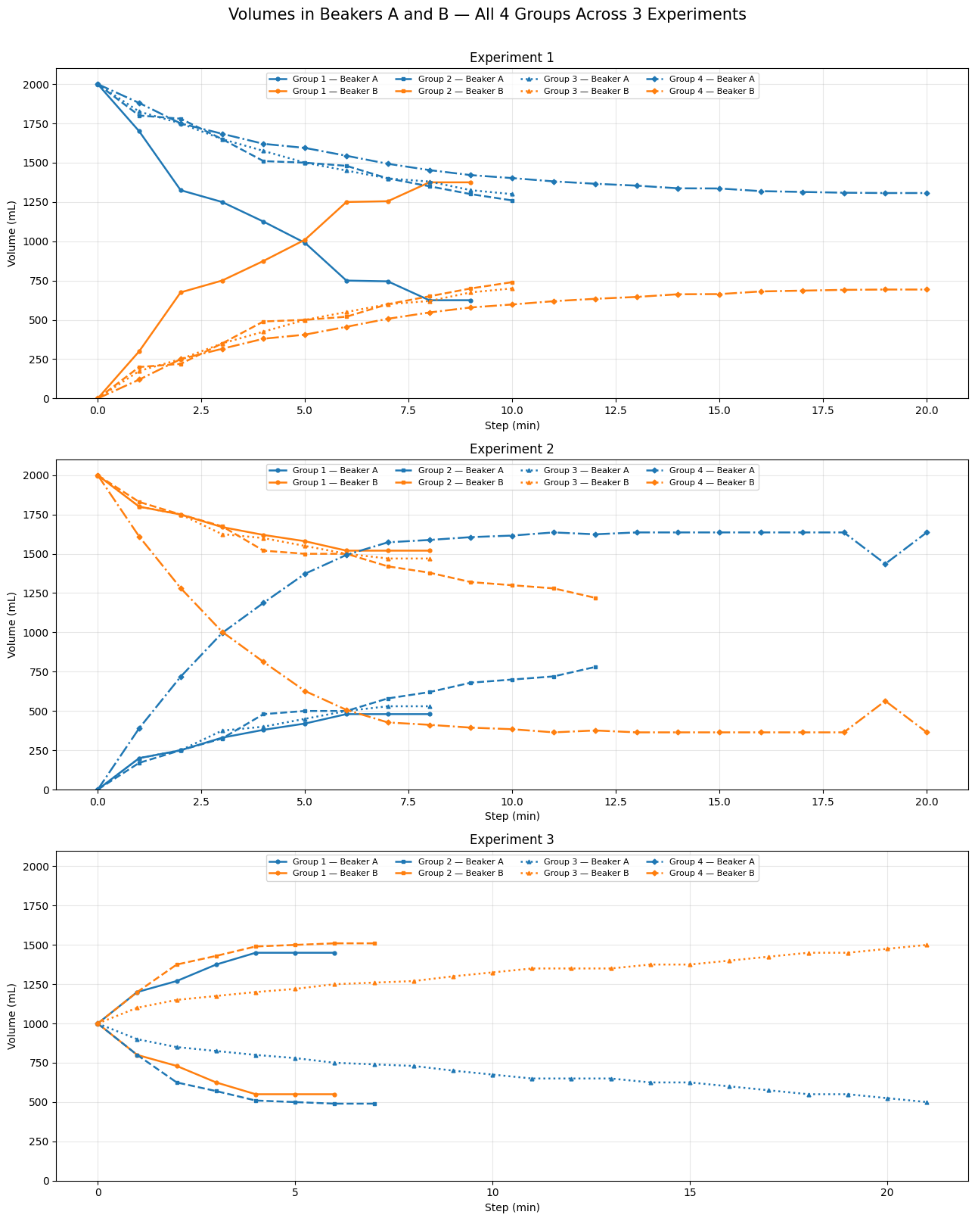
Experiment 1
Round | Group 1 Vol A | Group 1 Vol B | Group 2 Vol A | Group 2 Vol B | Group 3 Vol A | Group 3 Vol B | Group 4 Vol A | Group 4 Vol B
0 | 2000 | 0 | 2000 | 0 | 2000 | 0 | 2000 | 0
1 | 1700 | 300 | 1800 | 200 | 1825 | 175 | 1880 | 120
2 | 1325 | 675 | 1780 | 220 | 1750 | 250 | 1750 | 250
3 | 1250 | 750 | 1650 | 350 | 1650 | 350 | 1684 | 316
4 | 1125 | 875 | 1510 | 490 | 1575 | 425 | 1620 | 380
5 | 990 | 1010 | 1500 | 500 | 1500 | 500 | 1594 | 406
6 | 750 | 1250 | 1480 | 520 | 1450 | 550 | 1544 | 456
7 | 745 | 1255 | 1400 | 600 | 1400 | 600 | 1493 | 507
8 | 625 | 1375 | 1350 | 650 | 1380 | 620 | 1453 | 547
9 | 625 | 1375 | 1300 | 700 | 1325 | 675 | 1421 | 579
10 |  |  | 1260 | 740 | 1300 | 700 | 1402 | 598
11 |  |  | 1250 | 750 | 1280 | 720 | 1381 | 619
12 |  |  | 1240 | 760 | 1225 | 775 | 1366 | 634
13 |  |  | 1230 | 770 | 1225 | 775 | 1354 | 646
14 |  |  |  |  | 1200 | 800 | 1337 | 663
15 |  |  |  |  | 500 | 1500 | 1336 | 664
16 |  |  |  |  |  |  | 1319 | 681
17 |  |  |  |  |  |  | 1314 | 686
18 |  |  |  |  |  |  | 1309 | 691
19 |  |  |  |  |  |  | 1307 | 693
20 |  |  |  |  |  |  | 1307 | 693

Experiment 2
Round | Group 1 Vol A | Group 1 Vol B | Group 2 Vol A | Group 2 Vol B | Group 3 Vol A | Group 3 Vol B | Group 4 Vol A | Group 4 Vol B
0 | 0 | 2000 | 0 | 2000 | 0 | 2000 | 0 | 2000
1 | 200 | 1800 | 170 | 1830 | 200 | 1800 | 390 | 1610
2 | 250 | 1750 | 250 | 1750 | 250 | 1750 | 718 | 1282
3 | 330 | 1670 | 325 | 1675 | 375 | 1625 | 996 | 1004
4 | 380 | 1620 | 480 | 1520 | 400 | 1600 | 1188 | 812
5 | 420 | 1580 | 500 | 1500 | 450 | 1550 | 1373 | 627
6 | 480 | 1520 | 500 | 1500 | 500 | 1500 | 1493 | 507
7 | 480 | 1520 | 580 | 1420 | 530 | 1470 | 1573 | 427
8 | 480 | 1520 | 620 | 1380 | 530 | 1470 | 1588 | 412
9 |  |  | 680 | 1320 |  |  | 1606 | 394
10 |  |  | 700 | 1300 |  |  | 1616 | 384
11 |  |  | 720 | 1280 |  |  | 1636 | 364
12 |  |  | 780 | 1220 |  |  | 1624 | 376
13 |  |  |  |  |  |  | 1636 | 364
14 |  |  |  |  |  |  | 1636 | 364
15 |  |  |  |  |  |  | 1636 | 364
16 |  |  |  |  |  |  | 1636 | 364
17 |  |  |  |  |  |  | 1636 | 364
18 |  |  |  |  |  |  | 1636 | 364
19 |  |  |  |  |  |  | 1436 | 564
20 |  |  |  |  |  |  | 1636 | 364

Experiment 3
Round | Group 1 Vol A | Group 1 Vol B | Group 2 Vol A | Group 2 Vol B | Group 3 Vol A | Group 3 Vol B | Group 4 Vol A | Group 4 Vol B
0 | 1000 | 1000 | 1000 | 1000 | 1000 | 1000 | 1000 | 1000
1 | 1200 | 800 | 800 | 1200 | 900 | 1100
2 | 1270 | 730 | 625 | 1375 | 850 | 1150
3 | 1375 | 625 | 570 | 1430 | 825 | 1175
4 | 1450 | 550 | 510 | 1490 | 800 | 1200
5 | 1450 | 550 | 500 | 1500 | 780 | 1220
6 | 1450 | 550 | 490 | 1510 | 750 | 1250
7 |  |  | 490 | 1510 | 740 | 1260
8 |  |  |  |  | 730 | 1270
9 |  |  |  |  | 700 | 1300
10 |  |  |  |  | 675 | 1325
11 |  |  |  |  | 650 | 1350
12 |  |  |  |  | 650 | 1350
13 |  |  |  |  | 650 | 1350
14 |  |  |  |  | 625 | 1375
15 |  |  |  |  | 625 | 1375
16 |  |  |  |  | 600 | 1400
17 |  |  |  |  | 575 | 1425
18 |  |  |  |  | 550 | 1450
19 |  |  |  |  | 550 | 1450
20 |  |  |  |  | 525 | 1475
21 |  |  |  |  | 500 | 1500

Experiment 4
Round | Group 1 Vol A | Group 1 Vol B | Group 2 Vol A | Group 2 Vol B | Group 3 Vol A | Group 3 Vol B | Group 4 Vol A | Group 4 Vol B
0 | 2000 | 0 | 2000 | 0 | 2000 | 0 | 2000 | 0
1 | 1650 | 350 | 1700 | 300
2 | 1300 | 700 | 1250 | 750
3 | 1020 | 980 | 950 | 1050
4 | 770 | 1230 | 700 | 1300
5 | 600 | 1400 | 500 | 1500
6 | 500 | 1500 | 400 | 1600
7 | 400 | 1600 | 380 | 1620
8 | 430 | 1570 | 370 | 1630
9 | 350 | 1650 | 300 | 1700
10 |  |  | 290 | 1710

